Signals
DRIVINGCUBE Model (in Model.CONNECT)

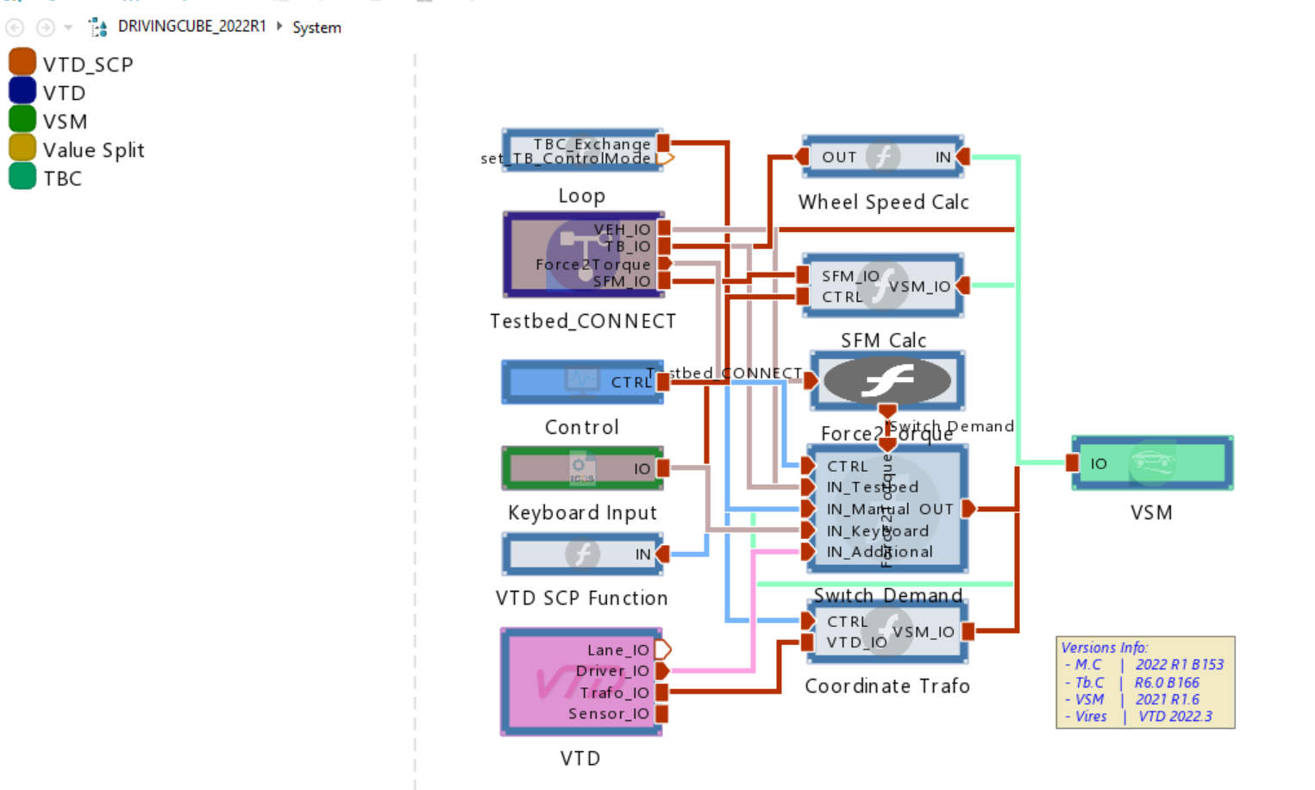

SIGNAL FLOW

RENK Chassis Dyno (via CAN and TBC)
sends actual wheel speed and torque for each wheel from RENK Chassis dyno to "Testbed_CONNECT" block eventually to "VSM" block
receives desired wheel speed for each wheel from "VSM" block (veh. dynamics sim.)

Vehicle State (via DBW CAN)
sends desired accel. pedal pos. and brake pedal pos. to "VSM" block (veh. dynamics sim.)

AVL Steering Force Module (via SFM CAN)
sends actual steering angle and steering torque to "VSM" block (veh. dynamics sim.)
receives desired steering force (feedback) and sends to SFM under vehicle

VSM-to-VTD and vice versa (for Visualization and Rendering of Vehicle in Virtual Environment)
Note: VSM coordinate system is relative to CoG of the vehiclem, while VTD coordinate system is relative to center of rear axle at ground level
transform vehicle body position/rotation from VSM to VTD coordinate system
calculate wheel positions in VTD coordinate system
set outut values for display of vehicle body in VTD
calculate wheel steering angle for visual display of wheels in VTD

KEY RELATIONSHIPS

TBC - VSM (both ways)
VSM - VTD (both ways)
VTD - x

 | "Testbed_CONNECT" Block |  |  |  | "VSM" Block |  | VTD
 | IN | OUT |  |  | IN | OUT | IN | OUT
VEH_IO (from VSM) | Vehicle Speed Longitudinal
 | Vehicle Speed Lateral
 | Vehicle Acceleration Longitudinal
 | Vehicle Acceleration Lateral
 | Vehicle Yaw Rate
TB_IO (from/to VSM) | Desired Wheel Speed (x4) |  | <==
 |  | Actual Accel. Pedal Pos. | ==>
 |  | Actual Brake Pedal Pos. | ==>
Force2Torque (to VSM) |  | Actual Wheel Torque (x4) | ==>
SFM_IO (from/to VSM) | Desired Steering Force (Rack Force FL/ FR --> Kraft am Lenkgetriebe in N) |  | <==
 |  | Actual Steering Angle | ==>
 |  | Actual Steering Speed | ==>
 |  | Actual Steering Torque | ==>
 |  | Nominal Steering Angle | ==>
 |  | NominalSteering Torque | ==>
 |  |  |  | IO (from/to VTD) | Road combined Grip - FL/FR/RL/RR (x4)
 |  |  |  |  | Road Track Height - FL/FR/RL/RR (x4) |  | Definition in VTD for height
 |  |  |  |  | Veh. Simulator Initial Heading (x1)
 |  |  |  |  | Veh. Simulator Initial Road Height (x1)
 |  |  |  |  | Veh. Simulator Initial X and Y (x2)
 |  |  |  |  |  | Wheel Radius - FL/FR/RL/RR (x4)
 |  |  |  |  |  | Veh. Global Pitch and Pitch Rate (x2)
 |  |  |  |  |  | Veh. Reference Point Position (x,y,z) (x3)
 |  |  |  |  |  | Veh. Global Roll and Roll Rate (x2)
 |  |  |  |  |  | Veh. Global Speed (x,y,z) (x3)
 |  |  |  |  |  | Veh. Global Wheel X - FL/FR/RL/RR (x4)
 |  |  |  |  |  | Veh. Global Wheel Y - FL/FR/RL/RR (x4)
 |  |  |  |  |  | Veh. Global Yaw and Yaw Rate (x2)
 |  |  |  |  |  | Veh. Steering Angle Wheel - FL/FR/RL/RR (x4)
 |  |  |  |  |  | Veh. Wheel Travel - FL/FR/RL/RR (x4)
 |  |  |  |  |  | Veh. Wheel Speed - FL/FR/RL/RR (x4)

 |  |  |  |  | here: vehicle dynamics and environmet simulation are seperated.
AEB Demo

Simulation | Standalone AutoDRIVE | running |  |  | Use VSM for vehicle dynamics. | not yet running

Emulation | DTC from simulation

Stimulation | Physical vehicle perceives screen and use own camera.

